TVR Data
Data point | Variable form | Definition
Pre-arrival/face sheet for video
What was the trigger for review at your institution? | Categorical: Research, QI/PI, Education, coaching, other | If other, text box for more details
Was the camera on and running when the patient arrived in the bay? | Categorical: Yes/No | Defined as video recording before first view of patient/stretcher on main screen - if yes, then patient arrival time will equal view of first stretcher; if no, then patient arrival will equal video start time
Was a pre-arrival briefing performed? | Categorical: Yes/No/Unable to be determined | Per institutional standard. N/A if video recording started after patient arrival
Pre-hospital/Patient Handoff
Patient arrival (time zero for all time to event analyses) | Numeric (time) | First view of patient or stretcher on main video screen in trauma bay, record as time of day; time zero for any calculations thereafter
Hand-off start time | Numeric (time) | When EMS starts speaking, record as time of day, will allow for calculation of difference between arrival and start of hand-off
Hand-off end time | Numeric (time) | When EMS completes hand-off tool, or if tool not complete, when EMS stops speaking, record as time of day
Did any information have to be repeated? | Categorical: Yes/No/Unable to determine | EMS team is asked to state information that was already given
Was there an interruption in communication at any point during handoff? | Categorical: Yes/No/Unable to determine | e.g. EMS team cut off, questions interjected, information asked for again, etc
Time of patient transfer | Numeric (time) | Time patient is on the trauma stretcher, record as time of day
Did patient arrive with prehospital access | Categorical: Yes/No/Unable to determine | If pt arrived with any type of access (IO/IV)
Was pre-hospital access functional? | Categorical: Yes/No/Unable to determine | Working flushed IV/IO per EMS
Was pre-hospital access being used? | Categorical: Yes/No/Unable to determine | Fluids/blood running
Resuscitation
Time primary started | Numeric (time) | First time any part of primary survey is vocalized, record as time of day, e.g. "airway intact"
What parts of the primary survey were completed? | Check all that apply (A/B/C/D/E) | Based on vocalization, e.g. "airway intact, bilateral breath sounds, bilateral DP pulses", etc
Time primary complete (once all boxes above complete) | Numeric (time) | Completion of primary will depend on blunt vs penetrating mechansim, in blunt mechanism completion of primary includes airway, breathing, circulatory, disability, and signs of anterior external injury, does not include log roll. In penetrating injury includes all the same as blunt injury, however, ALSO includes exam of the back, record as time of day
Was the patient rolled? | Categorical: Yes/No/Unable to determine | Log roll of patient to complete exposure
Time of first set of vitals | Numeric (time) | At a minimum time to first HR and BP measured within trauma bay
Anatomic locations for which cavitary triaged was indicated | Categorical: Check all that apply (Thorax/Abdomen/Pelvis/Unable to determine) | Was cavitary triage indicated?
Anatomic locations for which cavitary triaged was indicated performed | Categorical: Check all that apply (Thorax/Abdomen/Pelvis/Unable to determine) | Was appropriate cavitary triage completed?
Unprotected airway | Categorical: Yes/No/Present on video review but not identified by team/Unable to determine | Examples of an unprotected airway includes cases in which a patient's LOC is too low to protect their airway, there is significant facial or oral trauma for the treating team to consider the airway unprotected, there is a foreign body obstructing the airway, or there is significant blood in the oral cavity causing the team to consider the airway unprotected
Hemo or pneumothorax | Categorical: Yes/No/Present on video review but not identified by team/Unable to determine | For a hemo or pneumo to be considered relevant on the primary survey must be of large enough size to require intervention
Significant external hemorrhage | Categorical: Yes/No/Present on video review but not identified by team/Unable to determine | Ongoing external hemorrhage more than simple venous oozing
Unstable pelvis | Categorical: Yes/No/Present on video review but not identified by team/Unable to determine | Includes open book, lateral compression, or butterfly fragment (bilateral superior and inferior pubic rami fractures)
Time to FIRST IV start attempt | Numeric (time) | Time FIRST ACCCESS of ANY TYPE(IO/IV/CVC), defined as needle on skin if able; if patient arrived with pre-hospital access, this will auto-populate as time of arrival
Access type? | Categorical: IV/IO/CVC | If CVC is first attempt, will also auto-populate in procedures module
Time of access Completion | Numeric (time) | Time to flush, or blood drawn back on ANY attempt (e.g. if multiple points of access are being attempted simultaneously, first completion)
FAST | Categorical: Yes/No/Unable to determine | If a FAST was performed
FAST result | Caterogical: Positive abdomen/Positive heart/Positive both/Negative/Indeterminate/Incomplete/Unable to determine | The results stated by the team in the trauma bay, if only part of the FAST is done and no positive finding reported mark as incomplete
Time FAST started | Numeric (time) | Time US probe first touches the patient, record as time of day
Time FAST finished | Numeric (time) | Time all views obtained or individual duing FAST reports they are done (i.e., decides indeterminate and completes exam), record as time of day
Time to first X-RAY | Numeric (time) | Defined as when the boom/machine is over the patient
Any episode of hypotension? | Categorical: Yes/No/Prehospital/Unable to determine | Including if patient arrives hypotensive, defined as systolic bloor pressure <90mmHg
Time of first episode of hypotension | Numeric (time) | Will display only if patient hypotensive = yes; if prehospital hypotensive will auto-populate as time of arrival, otherwise record as time of day
Temperature measured - Categorical | Categorical: Yes/No/Unable to determine | Was the patient's temperature checked in the trauma bay
Temperature measured - time | Numeric (time) | Time at which a temperature is obtained, record as time of day
Procedures & Interventions |  | All procedures will be displayed as categorical yes/no; subsequent fields will only show if procedure = yes, include minimum start and stops for each procedure
Was MTP activated pre-arrival? | Categorical: Yes/No/Unable to determine | MTP activation verbalized prior to arrival
Massive transfusion activated - Start time | Numeric (time) | Time at which the team activates the protocol (i.e., the phone call or page is made), record as time of day MAY BE PRIOR TO PATIENT ARRIVAL
Blood transfusion - decision time | Numeric (time) | Time that individual leading the resuscitation verbalizes decision to initiate transfusion. If decision not verbalized then leave blank, record as time of day
Blood transfusion - start time | Numeric (time) | Time at which the first unit of blood is visable in the blood tubing, record as time of day
TXA - categorical | Categorical: Yes/no/Given pre-hospital | Yes means TXA was administered; pre-hospital if EMS providers started first dose
TXA - decision time | Numeric (time) | Time that individual leading the resuscitation verbalizes decision to start TXA. If decision not verbalized then leave blank, record as time of day
TXA - start time | Numeric (time) | Time TXA is hung/pushed, record as time of day. Leave blank is given pre-hospital
Calcium administered as MTP adjunct - Categorical | Categorical: Yes/No/Unable to determine | Yes - calcium was ordered and given during a massive transfusion
Time Calcium administered as part of MTP | Numeric (time) | Time calcium is hung/pushed, record as time of day
Intubation - decision time | Numeric (time) | Time that individual leading the resuscitation verbalizes decision to intubate. If decision not verbalized then leave blank, record as time of day
Intubation - start time | Numeric (time) | When laryngoscope (or bronch if fibreoptic approach) inserted into mouth, record as time of day
Intubation - completion time | Numeric (time) | ETT confirmed to be in place by treating team and first breath delivered via BVM/vent, record as time of day
Was hypotension observed post-intubation? | Categorical: Yes/No/Unable to determine | Yes if hypotension observed after intubation (intention to capture any intubation-related hypotension)
Cricothyroidotomy - decision time | Numeric (time) | Time that individual leading the resuscitation verbalizes decision to perform cricothyroidotomy. If decision not verbalized then leave blank, record as time of day
Cricothyroidotomy - start time | Numeric (time) | Time of skin incision, record as time of day
Cricothyroidotomy - completion time | Numeric (time) | Cric confirmed to be in place by treating team and first breath delivered via BVM/vent, record as time of day
Central Venous Catheter - decision time | Numeric (time) | Time that individual leading the resuscitation verbalizes decision to place CVC. If decision not verbalized then leave blank, record as time of day
Central Venous Catheter - start time | Numeric (time) | Time of needle on skin, record as time of day. IF this is also first access attempt, will autop-opulate (Can have multiple recurrences if multiple lines placed)
Central Venous Catheter - completion time | Numeric (time) | Time to flush, or blood drawn back, record as time of day
Finger thoracostomy - decision time | Numeric (time) | Time that individual leading the resuscitation verbalizes decision to perform finger thoracostomy. If decision not verbalized then leave blank, record as time of day
Finger thoracostomy - start time | Numeric (time) | Time of skin incision only record as finger thoracostomy if team states they are performing a finger thoracostomy or the chest is decompressed and a chest tube is not inserted, record as time of day
Finger thoracostomy - completion time | Numeric (time) | Time finger confirmed in chest, record as time of day
Finger thoracostomy followed by chest tube | Categorical: Yes/No/Unable to determine | At any point during the resuscitation after completion of the finger thoracostomy was a chest tube inserted
Chest tube - decision time | Numeric (time) | Time that individual leading the resuscitation verbalizes decision to insert chest tube. If decision not verbalized then leave blank, record as time of day
Chest tube - start time | Numeric (time) | Time of skin incision, record as time of day (Can have multiple recurrences if multiple tubes placed)
Chest tube - completion time | Numeric (time) | Time chest tube sutured in place, record as time of day
Chest tube procedure completed | Categorical: Yes/Partial/Abandoned/Unable to determine | Yes - means tube secured to skin and fully dressed, partial is tube is in place but not all parts of securing are complete (i.e., not sutured, not dressed), abandoned means the chest tube is not inserted into the chest and the procedure is stopped
Pelvic binder - decision time | Numeric (time) | Time that individual leading the resuscitation verbalizes decision to place a pelvic binder. If decision not verbalized then leave blank, record as time of day
Pelvic binder - start time | Numeric (time) | Time sheet/binder started to be slid under patient, if started with binder on bed, time that binder started to be wrapped around patient, record as time of day
Pelvic binder - completion time | Numeric (time) | Time sheet/binder is secured around the patient's pelvis, record as time of day
Reductions - decision time | Numeric (time) | Time that individual leading the resuscitation verbalizes decision to place traction on a limb. If decision not verbalized then leave blank, record as time of day
Reductions - start time | Numeric (time) | Time traction is started, record as time of day
Reductions - completion time | Numeric (time) | Time reduction is splinted and ortho (or other team member) no longer needs to be physically holding traction, record as time of day
REBOA - decision time | Numeric (time) | Time that individual leading the resuscitation verbalizes decision to place REBOA. If decision not verbalized then leave blank, record as time of day
REBOA - start time | Numeric (time) | Time needle in inserted into skin, record as time of day
REBOA - completion time | Numeric (time) | Time balloon is inflated
CPR - performed | Categorical (Pre-hospital, In trauma bay, No) | was CPR initiated at any point
CPR start time/initiation | Numeric (time) | If prehospital leave blank; if in trauma bay, record as time of day
ROSC | Categorical: Yes/No/Unable to determine | If ROSC is achieved
ROSC time | Numeric (time) | Time of ROSC verbalized by team, record as time of day
Thoracotomy - decision time | Numeric (time) | Time that individual leading the resuscitation verbalizes decision to perform thoracotomy. If decision not verbalized then leave blank, record as time of day
Thoracotomy - start time | Numeric (time) | Time of skin incision, record as time of day
Thoracotomy - completion time | Numeric (time) | Time heart is delivered from pericardium, or if decision made to not deliver heart time that heart is inspected
Time of death in trauma bay | Numeric (time) | Leave blank if patient leaves the trauma bay alive, record as time of day if patient pronounced in the bay
End of resuscitation | Numeric (time) | Time trauma leader indicates the patient is ready to leave the trauma bay, record as time of day; if not explicitly stated then determined by reviewer
Disposition | Categorical | OR, IR, ICU, morgue, to CT, to ED
Time of departure | Numeric (time) | Time in which pt moves to next phase of care defined as last view of patient in the trauma bay, or if deceased, TOD
NOTECHS metrics | numeric (NOTECHS scale) | including subsets
Leadership | Numeric (1 - 3) | 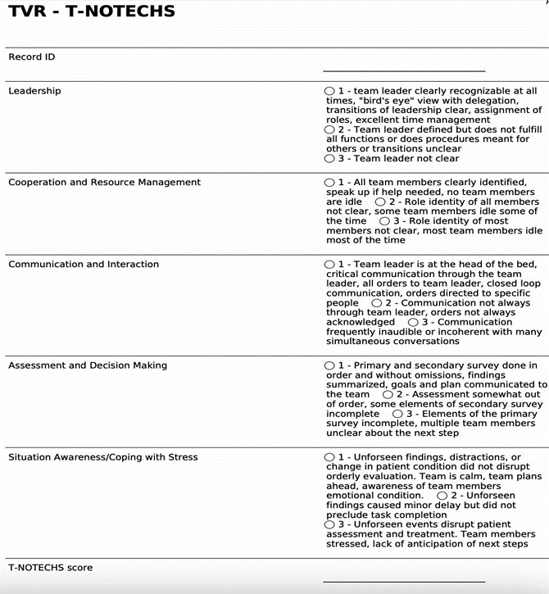
Cooperation/Resource Management | Numeric (1 - 3)
Communication/Interactions | Numeric (1 - 3)
Assessment/Decision Making | Numeric (1 - 3)
Situational Awareness/Coping with Stress | Numeric (1 - 3)
FREE TEXT BOX

ALL TIMES MILITARY, include NA when times are not known or unclear | Day/Month/Year Hours:Minutes:Seconds 00/00/0000 00:00:00

QR Code and Link


Full URL: | https://tvrcollaborative.github.io/Trauma-Video-Review-Collaborative/
Shortened URL: | https://bit.ly/3JQqqUu

